Sheet1
Road Name | Mount Street, Burleigh Heads
Date |  | Time | 9:00:00
5 minute count
LV | 5
HV | 0 |  |  |  | Queue Length factors
 |  |  |  |  | Maximum stopping time (minutes) | Multiplier
Queue Length Estimation: Mount Street, Burleigh Heads |  |  |  |  |  | Ma | Mo
Queue length estimation |  | LV | HV |  | 2 | 2.4 | 8
Volume | per 5 mins | 3 | 0 |  | 5 | 6 | 20
2 mins | Length (m) | 8 |  |  | 10 | 12 | 40
5 mins | Length (m) | 18 |  |  | 15 | 18 | 60
10 mins | Length (m) | 36 |  |  | 30 | 36 | 120
15 mins | Length (m) | 54
 |  |  |  |  | Two-way Road
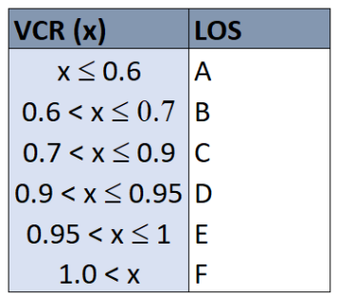
 |  |  |  |  | Traffic Impact Analysis - Mount Street, Burleigh Heads

 |  |  |  |  | Design Volume (Capacity) * | 500
Estimates (office use) |  |  |  |  | VCR (Volume to Capacity Ratio) | Peak | Off-Peak
Off-peak |  |  |  |  | Two-way | 0.24 | 0.12
5 minutes | 5 |  |  |  | Single Lane Reversible Flow | 0.49 | 0.24
Hourly Avg. | 60
Peak Avg. | 122 |  |  |  | * Greater of 30th Highest Hour or 500
AADT | 1197 |  | 85% of 12% of AADT | 42% of peak

 |  |  |  |  | LOS A (x<=0.6)
 |  |  |  |  | LOS B (0.6 < x <= 0.7)
 |  |  |  |  | LOS C (0.7 < x <= 0.9)
 |  |  |  |  | LOS D (0.9 < x <= 0.95)
 |  |  |  |  | LOS E (0.95 < x <= 1)
 |  | of. Peak | 45%*Design Volume |  | LOS F ( 1 < x)
 |  | design volume | 0ff. Peak/45%
 |  | peak. Volume | design volume* 85%

